Matches won by w.r.t to toss
Matches won by team w.r.t to bat first or bowl since 2008
 | bat | field
Mumbai Indians | 53 | 98
Chennai Super Kings | 65 | 77
Kolkata Knight Riders | 51 | 84
Royal Challengers Bangalore | 37 | 77
Rajasthan Royals | 42 | 72
Sunrisers Hyderabad | 31 | 62
Kings XI Punjab | 23 | 62
Delhi Daredevils | 29 | 38
Delhi Capitals | 14 | 37
Gujarat Titans | 9 | 28
Punjab Kings | 7 | 27
Lucknow Super Giants | 7 | 23
Deccan Chargers | 14 | 15
NA | 9 | 14
Royal Challengers Bengaluru | 1 | 17
Gujarat Lions | 2 | 11
Pune Warriors | 9 | 3
Rising Pune Supergiant |  | 10
Kochi Tuskers Kerala |  | 6
Rising Pune Supergiants | 2 | 3
Count of toss_winner | Column Labels
Row Labels | bat | field | Grand Total
Mumbai Indians | 53 | 98 | 151
Chennai Super Kings | 65 | 77 | 142
Kolkata Knight Riders | 51 | 84 | 135
Royal Challengers Bangalore | 37 | 77 | 114
Rajasthan Royals | 42 | 72 | 114
Sunrisers Hyderabad | 31 | 62 | 93
Kings XI Punjab | 23 | 62 | 85
Delhi Daredevils | 29 | 38 | 67
Delhi Capitals | 14 | 37 | 51
Gujarat Titans | 9 | 28 | 37
Punjab Kings | 7 | 27 | 34
Lucknow Super Giants | 7 | 23 | 30
Deccan Chargers | 14 | 15 | 29
NA | 9 | 14 | 23
Royal Challengers Bengaluru | 1 | 17 | 18
Gujarat Lions | 2 | 11 | 13
Pune Warriors | 9 | 3 | 12
Rising Pune Supergiant |  | 10 | 10
Kochi Tuskers Kerala |  | 6 | 6
Rising Pune Supergiants | 2 | 3 | 5
Grand Total | 405 | 764 | 1169

Dashboard
I.P.L Data Analysis
2008 -2025
Winner
Runner-up
Player of the
Season
Season

IPL-2008
Rajasthan Royals
Chennai Super Kings
Shane Watson

TOP-10 VENues
 | bat | field
Punjab Cricket Association Stadium, Mohali | 14 | 21
Dubai International Cricket Stadium | 19 | 27
Sawai Mansingh Stadium | 19 | 28
MA Chidambaram Stadium, Chepauk | 34 | 14
Rajiv Gandhi International Stadium, Uppal | 23 | 26
Wankhede Stadium, Mumbai | 8 | 44
Feroz Shah Kotla | 26 | 34
M Chinnaswamy Stadium | 8 | 57
Wankhede Stadium | 22 | 51
Eden Gardens | 28 | 49
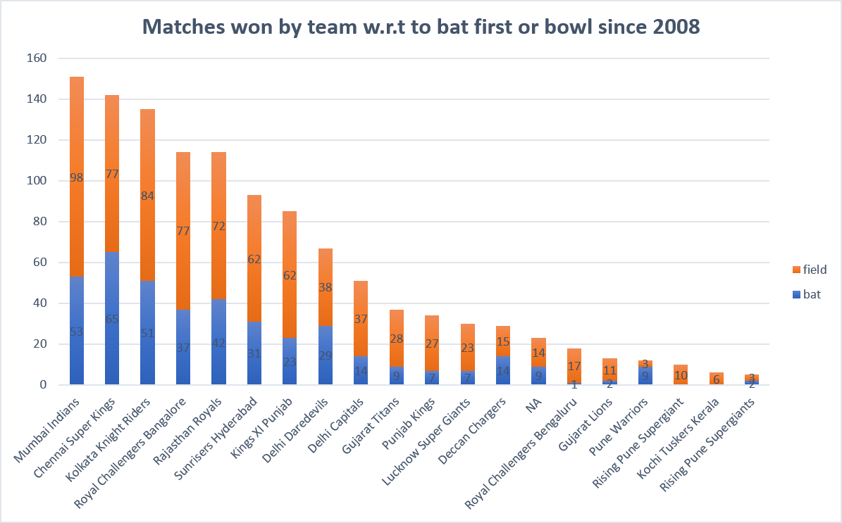
Winning Percentage with respect to toss decision
 | Series1
bat | 405
field | 764
Formula1 | 0
Formula2 | 0

MosT NO.OF. MOM AWard SINCE 2008
 | Total
AB de Villiers | 25
CH Gayle | 22
RG Sharma | 21
V Kohli | 19
DA Warner | 18
MS Dhoni | 18
SP Narine | 17
YK Pathan | 16
AD Russell | 16
SR Watson | 16
RA Jadeja | 16

Toss based Decision
Row Labels | Count of result
bat | 405
field | 764
Formula1
Formula2
Grand Total | 1169

 | Total
bat | 405
field | 764
Formula1
Formula2

